Data_pass_LDVs
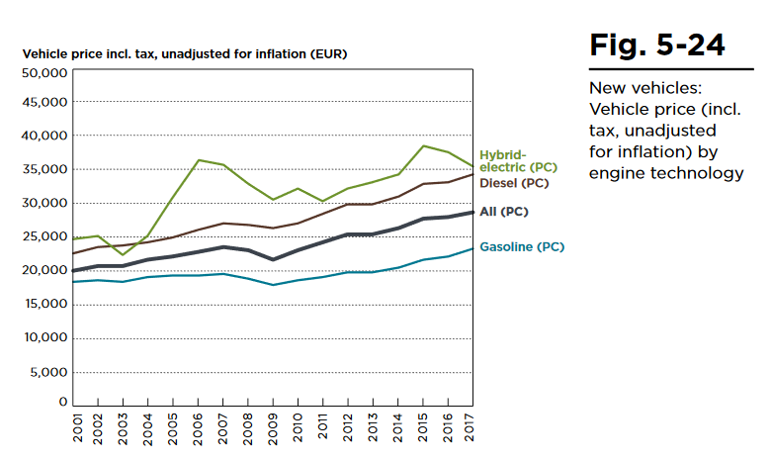
 | in €2017 | in €2019 | in $2012
Gasoline | 23,500 |  | 28,621
Diesel | 34,500 |  | 42,018
PHEV | 35,400 |  | 43,114
BEV |  | 45,835 | 54,178

Price in $2012 | Assumption: price variation/year | 2017 | 2018 | 2019 | 2020 | 2021 | 2022 | 2023 | 2024 | 2025 | 2026 | 2027 | 2028 | 2029 | 2030 | 2031 | 2032 | 2033 | 2034 | 2035 | 2036 | 2037 | 2038 | 2039 | 2040 | 2041 | 2042 | 2043 | 2044 | 2045 | 2046 | 2047 | 2048 | 2049 | 2050
Gasoline | -0.01% | 28,621 | 28,619 | 28,618 | 28,617 | 28,615 | 28,614 | 28,612 | 28,611 | 28,609 | 28,608 | 28,607 | 28,605 | 28,604 | 28,602 | 28,601 | 28,599 | 28,598 | 28,597 | 28,595 | 28,594 | 28,592 | 28,591 | 28,589 | 28,588 | 28,587 | 28,585 | 28,584 | 28,582 | 28,581 | 28,579 | 28,578 | 28,577 | 28,575 | 28,574
Diesel | -0.01% | 42,018 | 42,016 | 42,014 | 42,012 | 42,009 | 42,007 | 42,005 | 42,003 | 42,001 | 41,999 | 41,997 | 41,995 | 41,993 | 41,991 | 41,988 | 41,986 | 41,984 | 41,982 | 41,980 | 41,978 | 41,976 | 41,974 | 41,972 | 41,970 | 41,967 | 41,965 | 41,963 | 41,961 | 41,959 | 41,957 | 41,955 | 41,953 | 41,951 | 41,949
PHEV | -0.01% | 43,114 | 43,112 | 43,110 | 43,108 | 43,105 | 43,103 | 43,101 | 43,099 | 43,097 | 43,095 | 43,092 | 43,090 | 43,088 | 43,086 | 43,084 | 43,082 | 43,079 | 43,077 | 43,075 | 43,073 | 43,071 | 43,069 | 43,067 | 43,064 | 43,062 | 43,060 | 43,058 | 43,056 | 43,054 | 43,051 | 43,049 | 43,047 | 43,045 | 43,043
BEV* | -0.5% | 53,641 | 53,909 | 54,178 | 54,178 | 53,909 | 53,641 | 53,374 | 53,108 | 52,844 | 52,581 | 52,320 | 52,059 | 51,800 | 51,543 | 51,286 | 51,031 | 50,777 | 50,524 | 50,273 | 50,023 | 49,774 | 49,526 | 49,280 | 49,035 | 48,791 | 48,548 | 48,307 | 48,066 | 47,827 | 47,589 | 47,352 | 47,117 | 46,882 | 46,649
Natural gas** |  | 32,914 | 32,912 | 32,911 | 32,909 | 32,907 | 32,906 | 32,904 | 32,902 | 32,901 | 32,899 | 32,898 | 32,896 | 32,894 | 32,893 | 32,891 | 32,889 | 32,888 | 32,886 | 32,884 | 32,883 | 32,881 | 32,879 | 32,878 | 32,876 | 32,875 | 32,873 | 32,871 | 32,870 | 32,868 | 32,866 | 32,865 | 32,863 | 32,861 | 32,860
Hydrogen | -0.5% | 79,950 | 79,552 | 79,156 | 78,763 | 78,371 | 77,981 | 77,593 | 77,207 | 76,823 | 76,441 | 76,060 | 75,682 | 75,305 | 74,931 | 74,558 | 74,187 | 73,818 | 73,451 | 73,085 | 72,722 | 72,360 | 72,000 | 71,642 | 71,285 | 70,930 | 70,578 | 70,226 | 69,877 | 69,529 | 69,184 | 68,839 | 68,497 | 68,156 | 67,817
LPG |  | 30,052 | 30,050 | 30,049 | 30,047 | 30,046 | 30,044 | 30,043 | 30,041 | 30,040 | 30,038 | 30,037 | 30,035 | 30,034 | 30,032 | 30,031 | 30,029 | 30,028 | 30,026 | 30,025 | 30,023 | 30,022 | 30,020 | 30,019 | 30,017 | 30,016 | 30,014 | 30,013 | 30,011 | 30,010 | 30,008 | 30,007 | 30,005 | 30,004 | 30,002

*The JATO source suggests BEV prices have been increasing before until 2019 in Europe. We assume a decrease of 0,5% per year after 2021, also for the most expensive hydrogen cars (start price 65.000€/2017).
For gasoline, diesel and PHEV cars, we assume prices will almost stagnate
**Natural gas cars are currently ~15% moreexpensive than conventional cars. We expect the price difference to remain (https://www.euractiv.com/section/energy/interview/gas-chief-we-expect-at-least-10-of-the-car-market-in-2030/)
LPG cars cost almost the same as gasoline cars

Ships
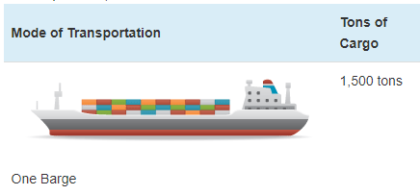
Ship prices vary greatly by ship type and size. Based on variable AVLo, our average |  |  |  | freight ship capacity
freight ship loading is 1140,5 tons. This may be reasonably represented by a single oceangoing, |  |  |  | Tennessee-Tombigbee Waterway
self-propelled barge that has a capacity of 1500 tons (see source info to the right). A drawing |  |  |  | undated
of a barge of this type is shown to the right (from thas same source). |  |  |  | Cargo Capacity of Different Transportation Modes
 |  |  |  | http://business.tenntom.org/why-use-the-waterway/shipping-comparisons/
Capacities of large barges of this sort are often expressed in TEU (twenty-foot equivalent units),
which are the size of a standard intermodal metal shipping container. They do not convert
neatly into cargo tons, but standard containers have a maximum payload
mass of 21600 kg, or 21.6 metric tons. Typical payload may be less. We use 16 tons as
the typical load for a freight HDV (see variable AVLo), which may use an intermodal container
or be similar in size to one.

The largest barge in the world is the Maersk Triple E class, with a capacity of 18,340 TEU |  |  |  | Source for TEU capacities
and a cost of $185 million. This is more than 200 times more capacity than the ship we |  |  |  | https://web.archive.org/web/20090420143514/http://emase.co.uk/data/cont.html
wish to represent with this variable, and it serves as an upper bound reference point.
 |  |  |  | Source for Maersk Triple E class pricing
A variety of used boats are listed for sale at https://www.oceanmarine.com |  |  |  | https://www.bloomberg.com/news/photo-essays/2013-09-05/holy-ship#slide1
with ever-changing inventory. These barges all tend to be smaller than the reference
ship we wish to represent (with 1500-ton capacity). The closest ships I have been |  |  |  | Source for Other Example cargo ship pricing
able to find are certain Platform Supply Vessels, which tend to have higher deck capacities |  |  |  | https://www.oceanmarine.com
and lower prices than the similar Anchor Handling Tug Supply (AHTS) vessels. AHTS
vessels have extra equipment and engine power that may increase their price relative
to the necessary capacity.

 | Description | Deck Capacity (metric tons) | Price | Year of Manufacture
 | 180ft 5200HP AHTS 9504 | 500 | 5900000 | 1984
 | 60 Ton BP AHTS - 9279 | 500 | 7050000 | 1984
 | 5200HP AHTS - 9278 | 500 | 7050000 | 1983
 | 220ft Platform Supply DP-1 - 13146 | 1030 | 6000000 | 1999
 | 240ft Platform Supply Vessel(PSV) DP-1 - 13932 | 1800 | 6000000 | 2009
 | 285ft Platform Supply Vessel (PSV) - 13810 | 2800 | 22000000 | 2014

Based on all of these data points, we select a value of $10 million to represent a brand new,
self-propelled, ocean-going barge or supply boat with 1,500-ton capacity.
10000000

We assume no change in pricing over time.

